Sheet1
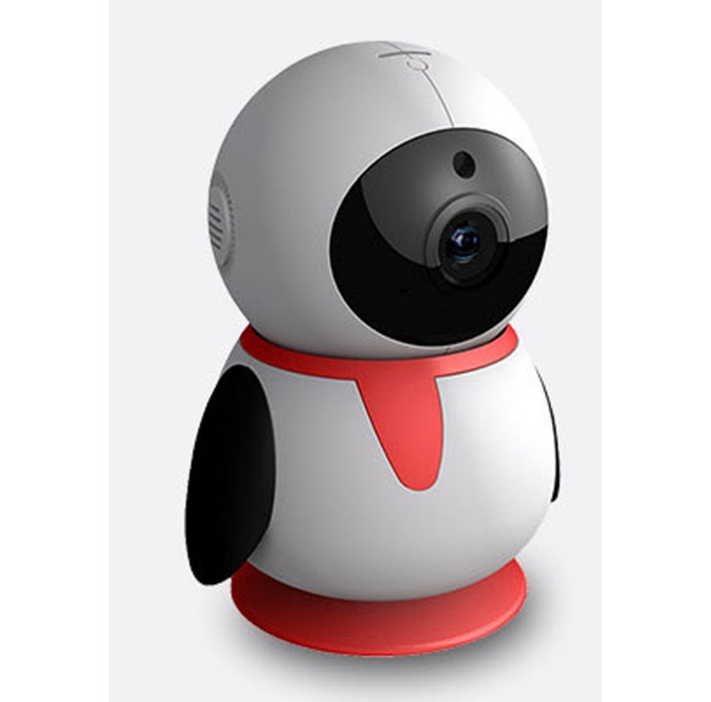
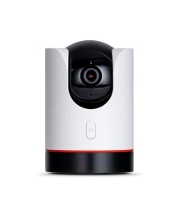
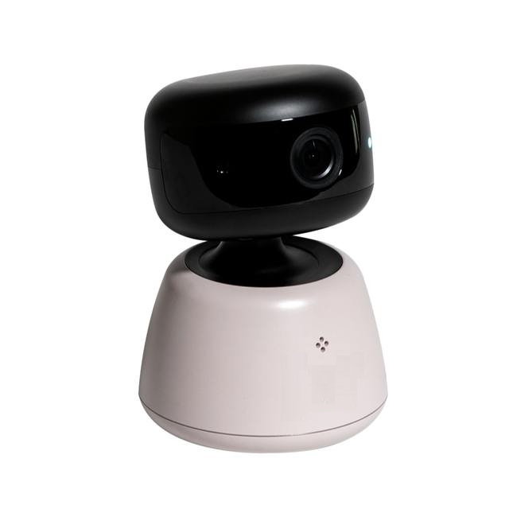
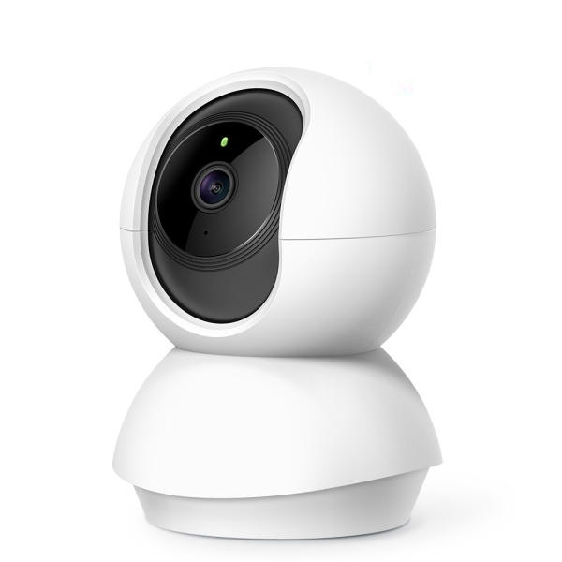
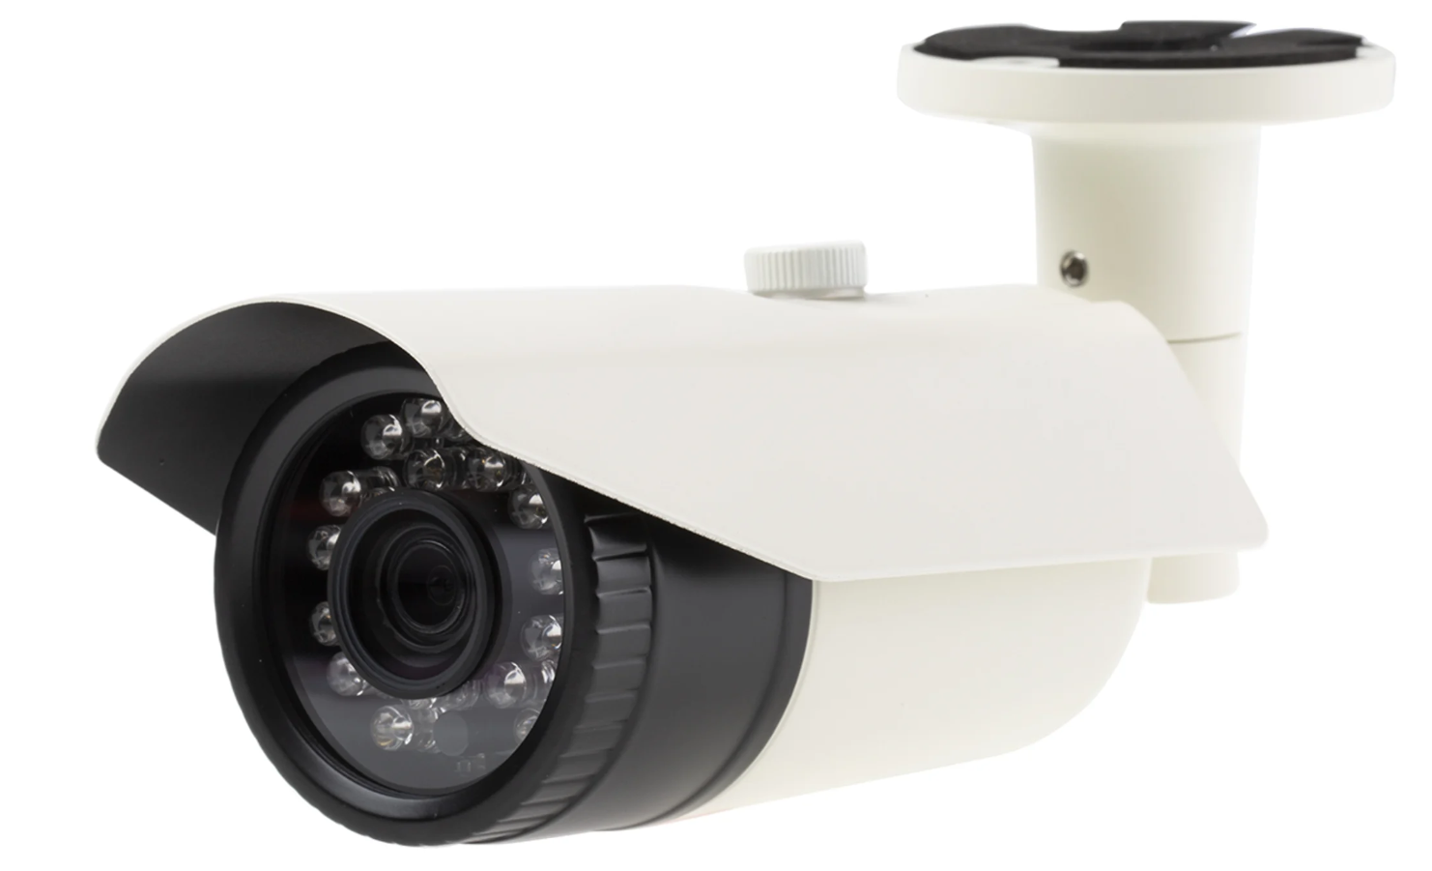

color | white, black and orange |  | white and black |  |  | ivory and black |  |  | white |  | white
type | stand type |  | stand type |  |  | wall mount type |  |  | stand/wall mount |  | wall mount
function | indoor camera |  | indoor camera |  |  | indoor camera |  |  | indoor camera |  | outdoor
feature | penguin style |  | cylinder style |  |  | dome style |  |  | sphere style |  | bullet
detail information | https://prod.danawa.com/info/?pcode=7539862 |  | TP-LINK Tapo C225 (단품) : 다나와 가격비교 (danawa.com) |  |  | S4 2K 홈 시큐리티 실내 카메라 듀얼 와이파이 지원 베이비 모니터용 팬틸트줌 펫 모션 사운드 감지 2Way 오디오 나이트 비전 클라우드 SD 카드 스토리지TSC433P - 즉석카메라 액세서리 | 쿠팡 (coupang.com) |  |  | TP-LINK Tapo TC70 (정품) : 다나와 가격비교 (danawa.com) |  | RS PRO | RS PRO Network Outdoor CCTV Camera | 146-4648 | RS Components (rsdelivers.com)

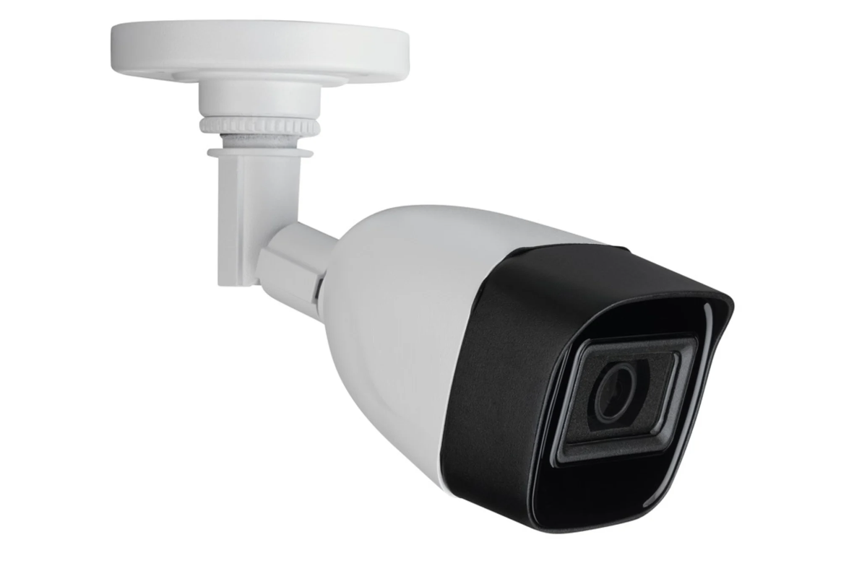
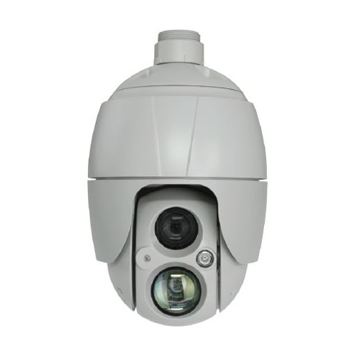
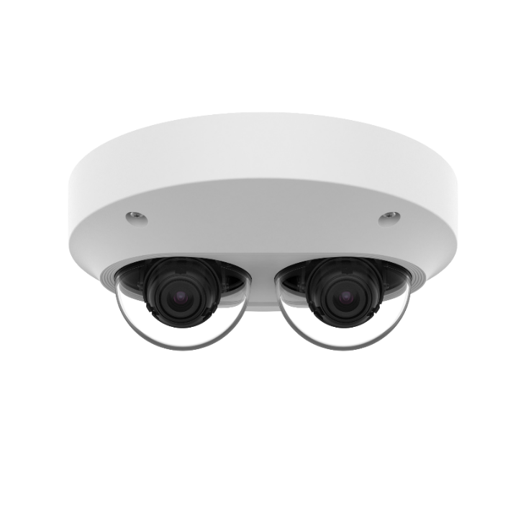
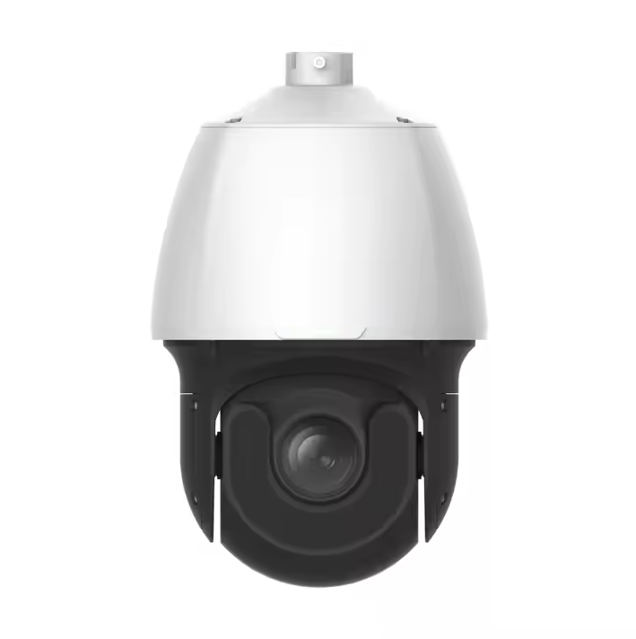
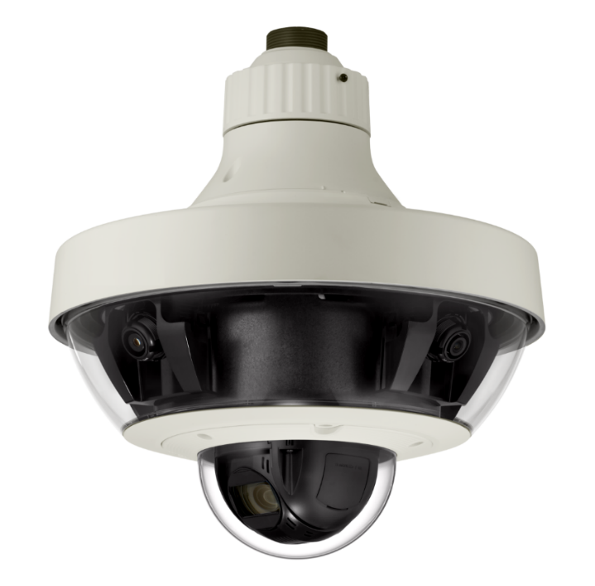

color | white and black |  |  |  | gray |  |  | white |  | white and black |  |  | ivory
type | wall mount |  |  |  | wall mount |  |  | wall mount |  | wall mount |  |  | wall mount
function | outdoor camera |  |  |  | outdoor camera |  |  | indoor camera |  | outdoor camera |  |  | outdoor camera
feature | bullet |  |  |  | dome | ptz |  | dual dome |  | dome | ptz |  | multidirectional
detail information | https://kr.rs-online.com/web/p/cctv-cameras/2652220 |  |  |  | http://eng.hitron.co.kr/product/tft-22053d1h/ |  |  | https://www.hanwhavision.com/ko/products/camera/network/multi-sensor/pnm-9000vd/ |  | https://anxinshi.en.made-in-china.com/product/YxtUzNjKbWck/China-8MP-IR-Distance-200m-25X-Network-PTZ-Spherical-HD-Camera-Smart-Intrusion-Prevention-IP-PTZ-Camera.html |  |  | https://www.hanwhavision.com/ko/products/camera/network/multi-sensor/pnm-9320vqp/

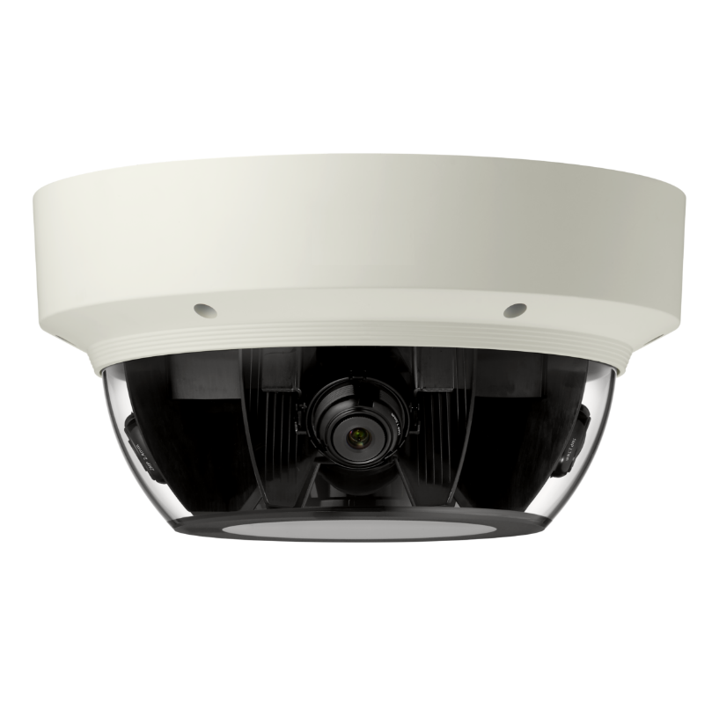
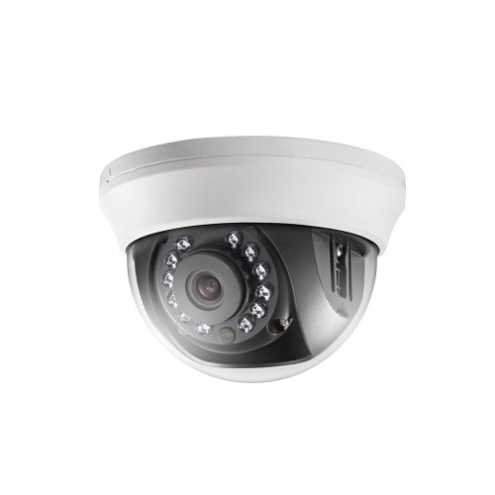
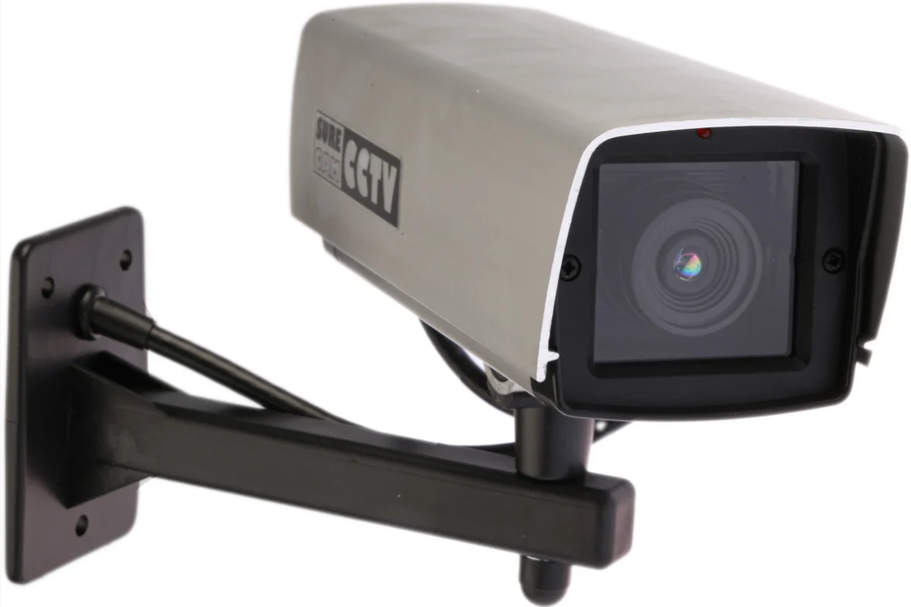
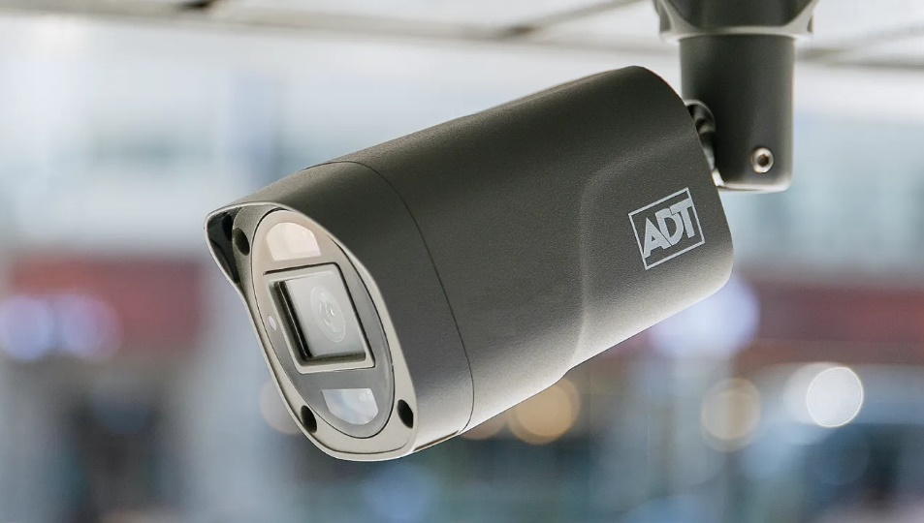

color | ivory |  |  |  | white |  |  | gray |  |  |  | dark gray
type | wall mount |  |  |  | wall mount |  |  | wall mount |  |  |  | wall mount
function | outdoor camera |  |  |  | indoor camera |  |  | outdoor camera |  |  |  | ourdoor
feature | dome |  |  |  | dome |  |  | bullet |  |  |  | bullet
detail information | https://www.hanwhavision.com/ko/products/camera/network/multi-sensor/pnm-9000vq/ |  |  |  | https://prod.danawa.com/info/?pcode=5642306 |  |  | https://kr.rs-online.com/web/p/cctv-cameras/3106527 |  |  |  | https://www.skshieldus.com/kor/service/physical/view-guard/adt-caps-cctv-ai.do

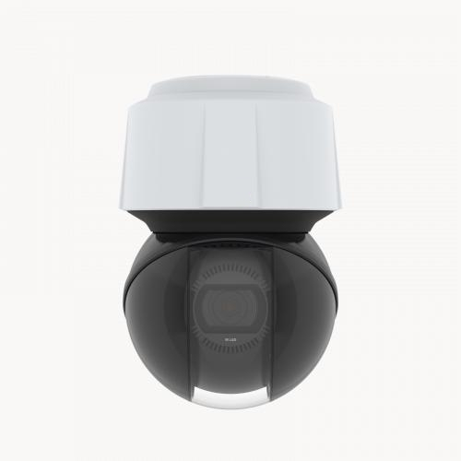
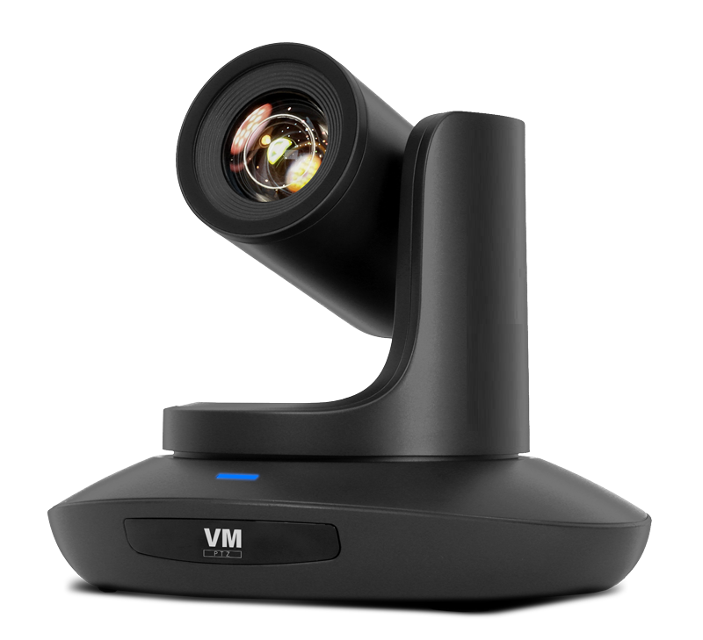
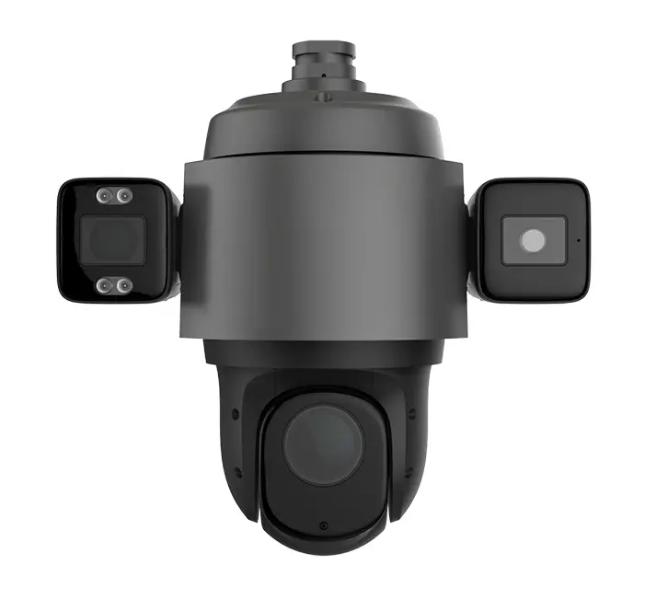
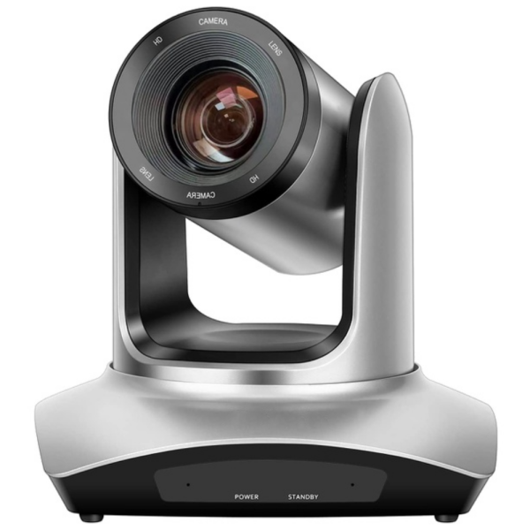
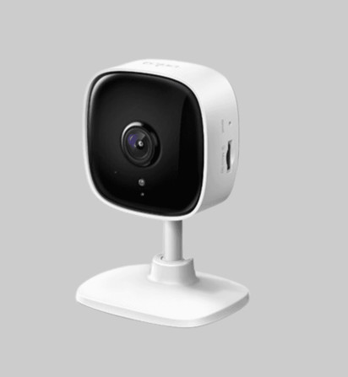

color | white and black |  |  | black |  |  | dark gray |  |  | silver |  |  | white
type | wall mount |  |  | stand type |  |  | wall mount |  |  | stand type |  |  | stand type
function | outdoor camera |  |  | indoor camera |  |  | outdoor camera |  |  | indoor camera |  |  | indoor camera
feature | dome | ptz |  | telescope style |  |  | dome |  |  | telescope style |  |  | monitor style
detail information | https://www.axis.com/ko-kr/products/axis-q6125-le/support |  |  | https://m.takecompany.shop/product/vmptz-b51-n3-%EB%B8%8C%EC%9D%B4%EC%97%A0-ndi-ptz-%EC%B9%B4%EB%A9%94%EB%9D%BC/4141/category/896/display/1/ |  |  | https://ko.umoteco.com/copy-1080p-10x-ir-bullet-ip-ptz-camera-product/ |  |  | https://sstemall.com/product/ptz-hd20a/1900/ |  |  | https://prod.danawa.com/info/?pcode=14610209

